by Sqft
Average Sqft by Neighborhood and Construction (Brick)
Bedrooms | (All)
Bathrooms | (All)

Average of SqFt | Column Labels
Neighborhood | No | Yes | Grand Total
East | 2002 | 2031 | 2014
North | 1928 | 1857 | 1917
West | 2073 | 2091 | 2081
Grand Total | 1989 | 2025 | 2001

by Price
Average Price by Neighborhood and Construction (Brick)
Bedrooms | (All)
Bathrooms | (All)

Average of Price | Column Labels
Brick | No | Yes | Grand Total
East | 117,750 | 135,468 | 125,231
North | 108,584 | 118,457 | 110,155
West | 148,230 | 175,200 | 159,295
Grand Total | 121,958 | 147,769 | 130,427

Regression Analysis
SUMMARY OUTPUT

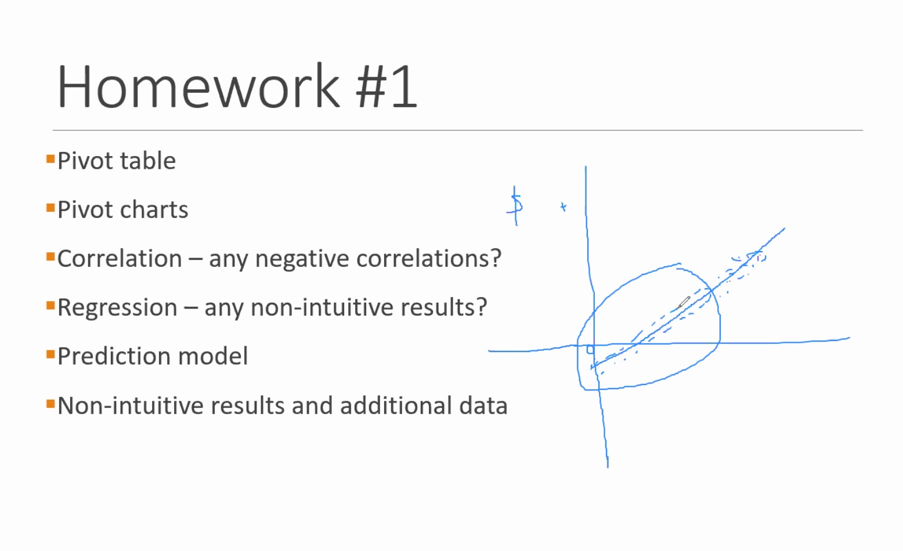
Regression Statistics
Multiple R | 0.83557306616
R Square | 0.69818234889
Adjusted R Square | 0.68836714072
Standard Error | 14999.245515
Observations | 128

ANOVA
 | df | SS | MS | F | Significance F
Regression | 4 | 64012998276 | 16003249569 | 71.132709268 | 4.4374906431E-31
Residual | 123 | 27672216021 | 224977366.02
Total | 127 | 91685214297

 | Coefficients | Standard Error | t Stat | P-value | Lower 95% | Upper 95% | Lower 95.0% | Upper 95.0%
Intercept | -17347.376949 | 12724.896306 | -1.3632627357 | 0.17528993623 | -42535.52896 | 7840.7750627 | -42535.52896 | 7840.7750627
SqFt | 61.8399461 | 8.263773843 | 7.4832573199 | 1.2021088467E-11 | 45.482312471 | 78.19757973 | 45.482312471 | 78.19757973
Bedrooms | 9319.7526021 | 2148.7544402 | 4.3372813699 | 2.9731074623E-05 | 5066.4249383 | 13573.080266 | 5066.4249383 | 13573.080266
Bathrooms | 12646.347486 | 3109.6620286 | 4.0667916224 | 8.4484906708E-05 | 6490.9621694 | 18801.732803 | 6490.9621694 | 18801.732803
Offers | -13601.011412 | 1324.8186585 | -10.266319337 | 3.0884342023E-18 | -16223.408716 | -10978.614109 | -16223.408716 | -10978.614109

RESIDUAL OUTPUT

Observation | Predicted Price | Residuals | Data bar
1 | 110076.30392 | 4223.6960765 | 110076.30392
2 | 129956.38478 | -15756.384779 | 129956.38478
3 | 129905.07063 | -15105.070633 | 129905.07063
4 | 117544.63487 | -22844.634872 | 117544.63487
5 | 139466.97427 | -19666.974274 | 139466.97427
6 | 118777.65706 | -4177.6570645 | 118777.65706
7 | 120914.99044 | 30685.009556 | 120914.99044
8 | 151596.58918 | -896.58918473 | 151596.58918
9 | 134903.58047 | -15703.580467 | 134903.58047
10 | 114730.99583 | -10730.995834 | 114730.99583
11 | 120636.63218 | 11863.367823 | 120636.63218
12 | 115023.49961 | 7976.5003885 | 115023.49961
13 | 99614.827233 | 2985.172767 | 99614.827233
14 | 113501.75037 | 12798.249629 | 113501.75037
15 | 163632.09067 | 13167.90933 | 163632.09067
16 | 141698.42108 | 4101.5789211 | 141698.42108
17 | 129576.35963 | 17523.640372 | 129576.35963
18 | 117208.37041 | -33608.370407 | 117208.37041
19 | 118111.72019 | -6711.7201867 | 118111.72019
20 | 140081.597 | 27118.402995 | 140081.597
21 | 105795.04511 | 10404.954887 | 105795.04511
22 | 105180.42238 | 8619.577618 | 105180.42238
23 | 99611.050503 | -7911.0505032 | 99611.050503
24 | 107650.2435 | -1550.2434963 | 107650.2435
25 | 167334.93398 | -10934.933976 | 167334.93398
26 | 158681.11825 | -9381.1182519 | 158681.11825
27 | 128101.1864 | 8898.8136036 | 128101.1864
28 | 113830.46138 | -14530.461377 | 113830.46138
29 | 84725.702752 | -15625.702752 | 84725.702752
30 | 170423.15455 | 17576.845449 | 170423.15455
31 | 156207.52041 | 25792.479592 | 156207.52041
32 | 118733.89638 | -6433.8963775 | 118733.89638
33 | 146887.76781 | -11887.767806 | 146887.76781
34 | 153781.45998 | -14181.459981 | 153781.45998
35 | 109461.68119 | 8338.3188077 | 109461.68119
36 | 136374.97697 | -19274.976969 | 136374.97697
37 | 115641.89907 | 1858.1009275 | 115641.89907
38 | 153119.29983 | -6119.2998327 | 153119.29983
39 | 128668.27171 | 2631.7282892 | 128668.27171
40 | 116304.05922 | -8104.0592205 | 116304.05922
41 | 109454.12773 | -2854.1277327 | 109454.12773
42 | 144454.15392 | -10854.153919 | 144454.15392
43 | 108843.28173 | -3243.2817313 | 108843.28173
44 | 141036.26093 | 12963.739069 | 141036.26093
45 | 141318.39593 | 25181.604073 | 141318.39593
46 | 107031.84404 | -3831.8440353 | 107031.84404
47 | 135090.64063 | -5290.6406299 | 135090.64063
48 | 81070.396862 | 9229.6031375 | 81070.396862
49 | 121825.89368 | -5925.8936825 | 121825.89368
50 | 100229.44996 | 7270.5500358 | 100229.44996
51 | 124965.4284 | 26134.571596 | 124965.4284
52 | 100804.08874 | -9704.0887382 | 100804.08874
53 | 117783.00918 | -383.00918143 | 117783.00918
54 | 124965.4284 | 5834.5715956 | 124965.4284
55 | 97137.452659 | -15837.452659 | 97137.452659
56 | 105747.5077 | 19952.492304 | 105747.5077
57 | 130531.02355 | 10368.976447 | 130531.02355
58 | 155589.12095 | -3289.1209469 | 155589.12095
59 | 148735.41273 | -10635.412729 | 148735.41273
60 | 160868.80437 | -5468.80437 | 160868.80437
61 | 170997.79333 | 9902.2066746 | 170997.79333
62 | 98945.113625 | 1954.8863746 | 98945.113625
63 | 167953.33344 | -6653.3334372 | 167953.33344
64 | 130143.44494 | -9643.4449419 | 130143.44494
65 | 123724.85275 | 6575.1472474 | 123724.85275
66 | 102651.73366 | 8448.2663384 | 102651.73366
67 | 130813.15855 | -4613.1585495 | 130813.15855
68 | 143221.13173 | 8678.8682732 | 143221.13173
69 | 113838.01484 | -20238.014836 | 113838.01484
70 | 145694.72957 | 19905.270429 | 145694.72957
71 | 128335.78398 | 38364.216024 | 128335.78398
72 | 165197.6006 | -7597.600597 | 165197.6006
73 | 97137.452659 | 10162.547341 | 97137.452659
74 | 147502.39054 | -21802.390537 | 147502.39054
75 | 140085.37373 | 4114.6262652 | 140085.37373
76 | 116878.69799 | -9978.6979945 | 116878.69799
77 | 128053.64898 | 1746.3510204 | 128053.64898
78 | 158062.71879 | 18437.281209 | 158062.71879
79 | 126820.62679 | -5520.6267874 | 126820.62679
80 | 141698.42108 | 1901.5789211 | 141698.42108
81 | 129576.35963 | 13823.640372 | 129576.35963
82 | 163006.13775 | 21293.862251 | 163006.13775
83 | 139755.70132 | 25044.298678 | 139755.70132
84 | 170383.17059 | -22683.170594 | 170383.17059
85 | 79778.507064 | 10721.492936 | 79778.507064
86 | 169808.53182 | 18491.46818 | 169808.53182
87 | 108316.18037 | -5616.1803741 | 108316.18037
88 | 151209.01057 | 21290.989427 | 151209.01057
89 | 140699.99647 | -12999.996466 | 140699.99647
90 | 96479.069241 | 1320.930759 | 96479.069241
91 | 136755.00212 | 6344.9978794 | 136755.00212
92 | 141658.43712 | -25158.437122 | 141658.43712
93 | 139184.83928 | 3415.1607224 | 139184.83928
94 | 149975.98838 | 7124.011619 | 149975.98838
95 | 150023.5258 | 10576.474202 | 150023.5258
96 | 134808.50563 | 17691.494366 | 134808.50563
97 | 158637.35756 | -25337.357565 | 158637.35756
98 | 136663.70402 | -9863.7040168 | 136663.70402
99 | 149693.85338 | -4193.8533849 | 149693.85338
100 | 149975.98838 | 21024.011619 | 149975.98838
101 | 92197.810431 | 11002.189569 | 92197.810431
102 | 120304.14444 | 2795.8555578 | 120304.14444
103 | 143181.14777 | -6381.1477696 | 143181.14777
104 | 167957.11017 | 43242.889833 | 167957.11017
105 | 99614.827233 | -17314.827233 | 99614.827233
106 | 159921.6939 | -13021.693904 | 159921.6939
107 | 113219.61538 | -4719.6153751 | 113219.61538
108 | 139181.06255 | -5181.0625479 | 139181.06255
109 | 130809.38182 | -13809.38182 | 130809.38182
110 | 125583.82787 | -16883.827865 | 125583.82787
111 | 118730.11965 | -7130.1196477 | 118730.11965
112 | 106984.30662 | 7915.6933815 | 106984.30662
113 | 119352.29584 | 4247.7041615 | 119352.29584
114 | 118781.43379 | -3081.4337943 | 118781.43379
115 | 154966.94476 | -30466.944756 | 154966.94476
116 | 125243.78667 | -22743.786671 | 125243.78667
117 | 207849.24116 | -8349.2411649 | 207849.24116
118 | 127435.24952 | -9635.2495186 | 127435.24952
119 | 115689.43649 | 34510.563511 | 115689.43649
120 | 90913.474092 | 18786.525908 | 90913.474092
121 | 117779.23245 | -7379.2324516 | 117779.23245
122 | 127098.98505 | -21498.985054 | 127098.98505
123 | 140374.10078 | 4425.8992171 | 140374.10078
124 | 125243.78667 | -5543.7866707 | 125243.78667
125 | 150641.92526 | -2741.9252588 | 150641.92526
126 | 127391.48883 | -13891.488832 | 127391.48883
127 | 159866.60303 | -9966.6030273 | 159866.60303
128 | 133286.75639 | -8686.7563935 | 133286.75639

4. When performing the regression analysis, we find that square feet, bedrooms, bathrooms, and offers are all statistically significant, shown by their very low p-values. The model itself has a very low significance f statistic, implying that the model is statistically significant. Additionally, our adjusted r-square implies that 68.8% of the price is determined by this model. In real-world sense, for every 1 square foot added, it adds $61.84 to the price. Each bedroom added increases the price by $9319.75, and each bathroom increases the price by $12646.35. Each offer added lowers the price by $13601.01. All else at 0, the cost is -$17347.38 (though does not have a low p-value implying this is not very significant). All are intuitive except the intercept. As square feet, bedrooms, and bathrooms increase, we would expect the price to increase. Offers may seem less intuitive, but essentially as the price is decreased, there are more offers. Inversely, adding offers alone does not necessarily mean the price will decrease, but implies the house is underpriced. The R squared means that 69.81% of the observed data fits what is expected.

